Module 2
Main
 | Kingsmill

 | cost |  | 6,000,000
 | AD |  | 1,500,000
 | reval |  | 8,000,000
 | book value |  | 4,500,000

 | increase the BV |  | 3,500,000

 | dr | BV | 3,500,000
 | cr | revaluation reserve |  | 3,500,000 | note: I had the logic correct. Just needed to go throught the motions
 |  |  |  |  | Can record journals straight to equity rather than going through revaluation reserve first
 |  |  |  |  | so I was right. But it would make the FS different.
 | dr | cost | 2,000,000
 | dr | AD | 1,500,000
 | cr | OCI |  | 3,500,000
 | being revaluation increase on property as at 30/11/20x8

 | dr | OCI | 3,500,000
 | cr | Revaluation surplus |  | 3,500,000
 | Being transfer to revaluation surpluis as 31/12/20x8

 | Financial statements |  |  | £

 | cost |  |  | 6,000,000
 | AD |  |  | -1,500,000
 | Carrying amount |  |  | 4,500,000
 | Fair value |  |  | 8,000,000
 | Revaluation increase |  |  | 3,500,000

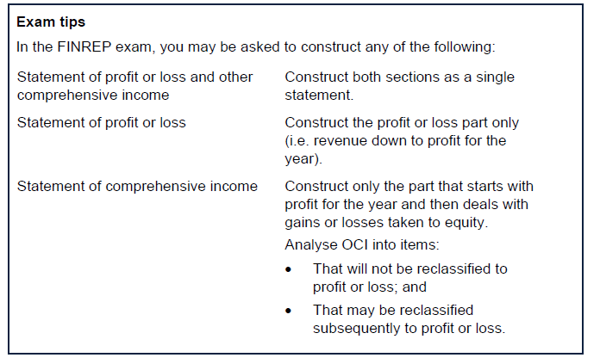

 | Broadchurch

 | construct P&L extracts
 | issue of 1m ordinary shares at MV of 1.29

 | number of shares issues |  | 1,000,000
 | Par value of 1 share |  | 1.00
 | MV of 1 share |  | 1.29
 | Share premium |  | 290,000

 |  |  | dr | cr
1 | cash |  | 1,290,000
 |  | Share capital |  | 1,000,000
 |  | share premium |  | 290,000

2 | retained earnings |  | 200,000
 |  | Share capital |  | 200,000

3 | Propery MV |  | 450,000
 | investments |  | 300,000
 |  | revaluation surplus |  | 750,000

3.1 | Tax on property |  | 100,000
 | tax on investments |  | 50,000
 |  | Cash |  | 150,000

4 |  | AD |  | 40,000
 | revaluation suriplus |  | 40,000
 |  | revaluation suriplus |  | 40,000
 | Retained earninns |  | 40,000

5 | Cash |  | 150,000
 |  | Dividends paid |  | 150,000

6 | PBT |  |  | 1,100,000
 | Tax |  |  | -300,000
 | Profit for the year |  |  | 800,000
 | OCI
 | Items that willnot be reclassified to profit or loss:
 | Gain on property reval |  |  | 450,000
 | Gain on investmetn reval |  |  | 300,000
 | Taxation ralating to itesm that will not be reclassified |  |  | -150,000
 | Other comprehensie incomce for the year. Net of tax |  |  | 600,000
 | Total Comprehensive income for the year |  |  | 1,400,000

 | SOCE
 |  | ShareCapital | SharePremium | RE | Reval surp. | Total
 | open | 7,000,000 | 600,000 | 2,600,000 | 400,000 | 10,600,000
 | Changes: |  |  |  |  | -
1 | Share issue | 1,000,000 | 290,000 |  |  | 1,290,000
2 | Bonus shares | 200,000 |  | -200,000 |  | -
5 | Dividends |  |  | -150,000 |  | -150,000
6 | Total comprehensive income |  |  | 800,000 | 600,000 | 1,400,000
4 | Transfer |  |  | 40,000 | -40,000 | -
 |  | 8,200,000 | 890,000 | 3,090,000 | 960,000 | 13,140,000

